Index

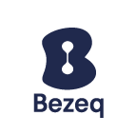

 |  | Bezeq Facts & Figures Q4 & FY 2022
 |  | Three months and year ending December 31, 2022

Index of contents

- | Financials (Group, Fixed-Line and Key Subsidiaries)
- | Key Performance Indicators (KPIs)
- | Bezeq Group Guidance
- | Debt Terms and Repayments
- | Glossary

For further information:
Bezeq Investor Relations
Phone +9722 539 5441 (o) / +972 50 530 5955 (m)
ir@bezeq.co.il
https://ir.bezeq.co.il

The data in this metrics file contains partial information from the public
reports of Bezeq under the Israeli Securities Law for which the Hebrew
reports can be accessed at the Israeli Securities Authority's website. The
metrics file is not a substitute for a review of the detailed reports of Bezeq.

