Index

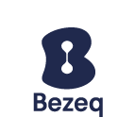

 |  | Bezeq Facts & Figures Q2 2022
 |  | Three months ending June 30, 2022

Index of contents

- | Financials (Group, Fixed-Line and Key Subsidiaries)
- | Key Performance Indicators (KPIs)
- | Bezeq Group Guidance
- | Debt Terms and Repayments
- | Glossary

For further information:
Bezeq Investor Relations
Phone +9722 539 5441
ir@bezeq.co.il
https://ir.bezeq.co.il

The data in this metrics file contains partial information from the public
reports of Bezeq under the Israeli Securities Law for which the Hebrew
reports can be accessed at the Israeli Securities Authority's website. The
metrics file is not a substitute for a review of the detailed reports of Bezeq.

