Index

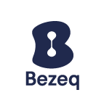

 |  | Bezeq Facts & Figures Q1 2021
 |  | Three months ending March 31, 2021

Index of contents

- | Financials (Group, Fixed-Line and Key Subsidiaries)
- | Key Performance Indicators (KPIs)
- | Bezeq Group Guidance
- | Debt Terms and Repayments
- | Glossary

For further information:
Bezeq Investor Relations
Phone +9722 539 5441
ir@bezeq.co.il
https://ir.bezeq.co.il

The data in this metrics file contains partial information from the public reports of Bezeq under the Israeli Securities Law for which the Hebrew reports can be accessed at the Israeli Securities Authority's website. The metrics file is a not a substitute for a review of the detailed reports of Bezeq.

